Energy_item
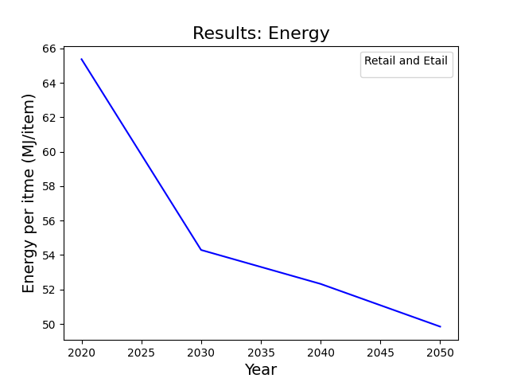
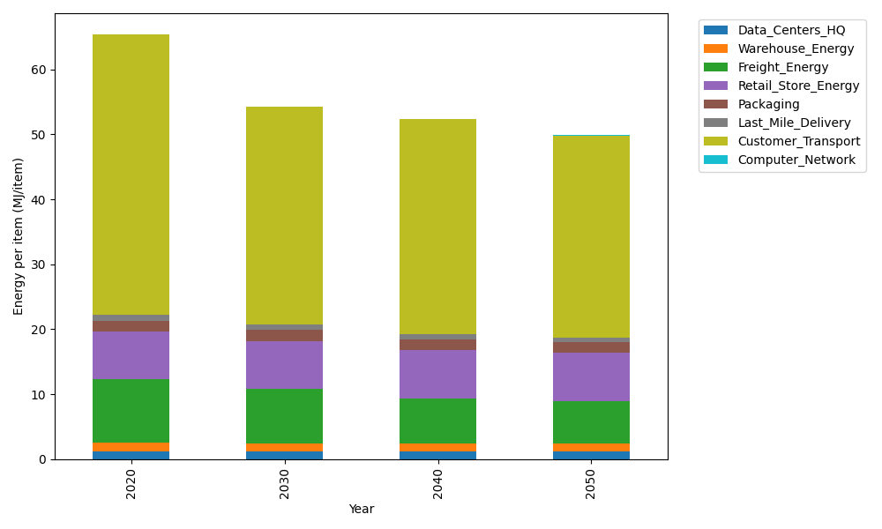
Years | Data_Centers_HQ | Warehouse_Energy | Freight_Energy | Retail_Store_Energy | Packaging | Last_Mile_Delivery | Customer_Transport | Computer_Network | Total
2020 | 1.2374141979 | 1.3410488455 | 9.7425666308 | 7.3100139929 | 1.6916682183 | 0.94972907584 | 43.056185719 | 0.042881298171 | 65.371507978
2030 | 1.2352718172 | 1.220946833 | 8.3036997974 | 7.4274928124 | 1.7230103968 | 0.75382977847 | 33.592903609 | 0.038322286335 | 54.295477331
2040 | 1.2350053479 | 1.1663371908 | 6.9688696276 | 7.4421048224 | 1.6673485904 | 0.7465646054 | 33.060039452 | 0.037755236657 | 52.324024873
2050 | 1.2351847631 | 1.1143019806 | 6.5878788048 | 7.4322664771 | 1.6389018846 | 0.74546278796 | 31.052173269 | 0.038137034271 | 49.844307001

CO2_item
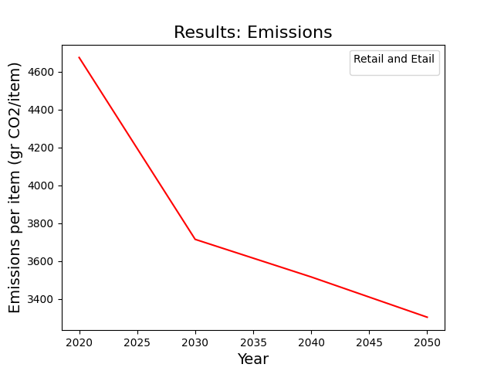
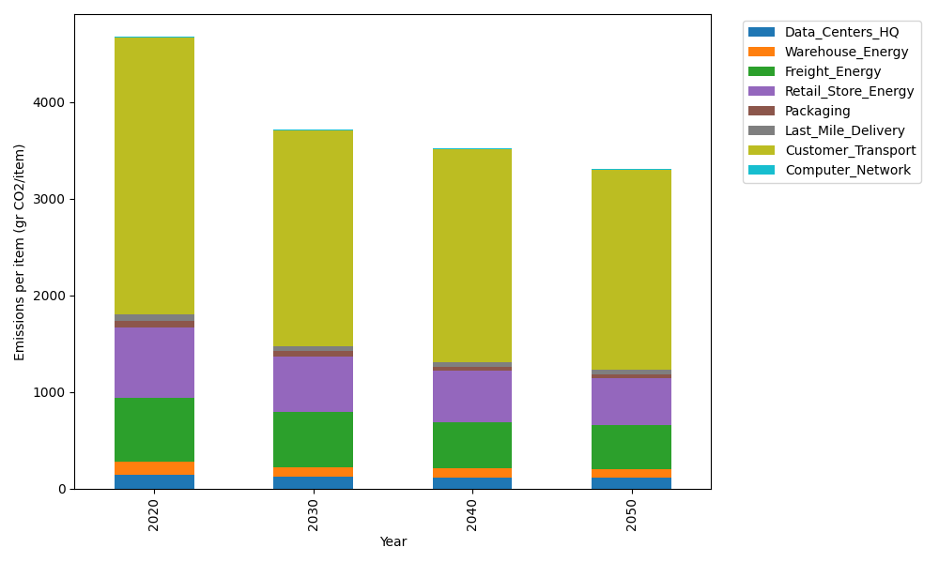
Years | Data_Centers_HQ | Warehouse_Energy | Freight_Energy | Retail_Store_Energy | Packaging | Last_Mile_Delivery | Customer_Transport | Computer_Network | Total
2020 | 140.14711191 | 133.87537195 | 668.00323598 | 728.99305529 | 65.522142061 | 65.192374482 | 2864.919998 | 7.2330803936 | 4673.8863701
2030 | 119.37043116 | 103.33309549 | 568.96083254 | 577.75275578 | 52.003123379 | 51.709012281 | 2234.8294368 | 6.4640808406 | 3714.4227683
2040 | 118.26267248 | 93.936239892 | 477.21972619 | 526.93775192 | 43.683351265 | 51.179909252 | 2198.4697183 | 6.3684327123 | 3516.057802
2050 | 115.04668309 | 87.39822939 | 450.8639532 | 489.1819127 | 39.17121468 | 51.073672839 | 2064.4666971 | 6.4328331142 | 3303.6351961

